Order Form
neptune urban keyfob EM/Presco Order Form
Customer Details

Company Name:

Account Number: | Purchase Order Number:

Delivery Address: | State: | Postcode:

Contact Name: | Contact Number:

Site Reference (if applicable):

Product Type

Choose one of the following product types

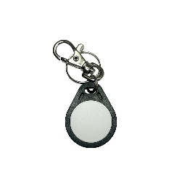
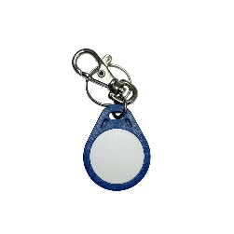
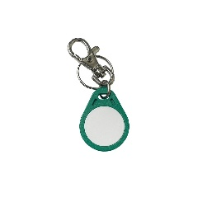
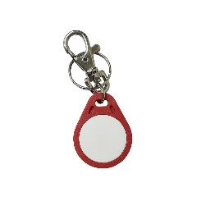
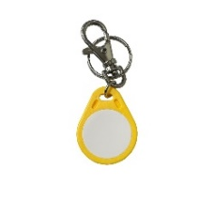

Programming Details

Order Quantity (MOQ=10)

Select Technology

Format

Facility/Site Code

Start Number

End Number

Offset (if any)

Approval

Name |  | Please send completed form to cards@lsc.com.au

Date

